Final query result
OVERVIEW
event_order | event_name | US_events | India_events | Canada_events | Full_perc | first_category_perc_drop | second_category_perc_drop | third_category_perc_drop
1 | page_view | 601809 | 123003 | 101417 | 100% | 100% | 100% | 100%
2 | view_item | 174796 | 34089 | 29141 | 28.81% | 29.05% | 27.71% | 28.73%
3 | add_to_cart | 26180 | 5263 | 4617 | 4.36% | 4.35% | 4.28% | 4.55%
4 | begin_checkout | 16974 | 3356 | 3172 | 2.84% | 2.82% | 2.73% | 3.13%
6 | purchase | 2481 | 530 | 466 | 0.42% | 0.41% | 0.43% | 0.46%
 |  |  |  |  | *1st Funnel Analysis | *2nd Funnel analysis

Funnel analysis on user actions
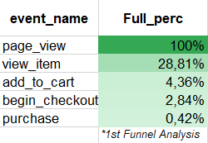
1st FUNNEL ANALYSIS
 |  |  |  |  |  |  | Key points
 |  |  |  |  |  |  | 28.81% of people that come to the website view item.
 |  |  |  |  |  |  | POSSIBLE REASONS: Google ads don't target keywords that define the product well. Advertising channels are not selected properly.

 |  |  |  |  |  |  | SOLUTION: Review which keywords would define the product the best. Analyse which channels does the target audience use.

 |  |  |  |  |  |  | 4.36% of visitors add product to the chart.
 |  |  |  |  |  |  | POSSIBLE REASONS: Product features do not meet expected price and quality balance. Product is not defined well enough in description. Poor quality of product images

 |  |  |  |  |  |  | SOLUTION: Review product images and description. Analyse competitors' supply

 |  |  |  |  |  |  | 2.86% of visitors begin check out
 |  |  |  |  |  |  | POSSIBLE REASONS: No/not sufficient number of notifiactions are sent to remind customer about not completed checkout.

 |  |  |  |  |  |  | SOLUTION: Send reminders about not completed orders

 |  |  |  |  |  |  | 0.42% of visitors actually buy a product/service
 |  |  |  |  |  |  | POSSIBLE REASONS: Too complicted/time consuming proces of entering shipping and payment data.

 |  |  |  |  |  |  | SOLUTION: Include only absolutely necessary fields in checkout info (no repetative fields). Autofill some fields / use suggestions to autofill. Offer to save payment and shipping info for upcoming orders

Number of users per action in top 3 countries
2nd FUNNEL ANALYSIS (per country)
Per country data |  |  |  |  |  |  | Key points
 |  |  |  |  |  |  | 1. Top 3 countries: US, India, Canada. US is dominating significantly event among top 3 countries by the number of events (Chart 1)

 |  |  |  |  |  |  | CONCLUSION: US is the target market with most successful marketing campaign

 |  |  |  |  |  |  | 2. Top 3 countries do not differ significantly by the percentage drop in each category (Chart 2)

 |  |  |  |  |  |  | CONCLUSION: Content and quality of website is evaluated more or less the same among different countries/cultures

 |  |  |  |  |  |  | 3. US converts the least visitors to actual sales (Table 1)
 |  |  |  |  |  |  | 4. India has the highest % drop per each step (Table 1)
 |  |  |  |  |  |  | 5.Canada maintains the best % from all top 3 countries in each purchase step (Table 1)

% of users per action in top 3 countries

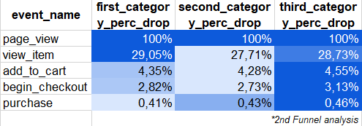

 |  |  |  |  |  | Table 1

